Sheet1
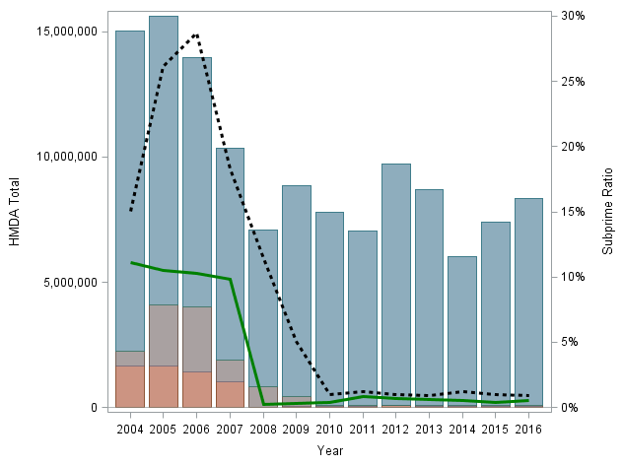
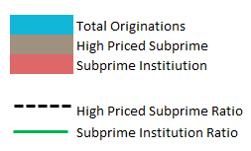

Total Originations
High Priced Subprime
Subprime Institiution

High Priced Subprime Ratio
Subprime Institution Ratio

